binary_search_time_results
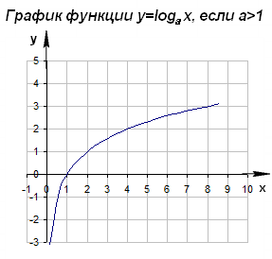
N | best_ms | avg_ms | worst_ms
1000 | 0.00006 | 0.00017 | 0.00009
10000 | 0.0001 | 0.00023 | 0.00011
100000 | 0.00012 | 0.00026 | 0.00011
1000000 | 0.00001 | 0.00027 | 0.00014
10000000 | 0.00015 | 0.00031 | 0.00019

 |  |  | O(1) | O(log n) | O(log n)

